ESA-Table 2
PY 2014 Energy Savings Assistance Program Annual Report ESA Table 2 Expenses and Energy Savings by Measures Installed
Measures | Units | PY Completed & Expensed Installations
 |  | Quantity Installed | kWh 4 (Annual) | kW 4 (Annual) | Therms 4 (Annual) | Expenses 5 ($) | % of Expenditure
Appliances
High Efficiency Clothes Washer | Each
Refrigerators | Each | 17,401 | 12,340,328 | 2,103 | - | $16,325,166 | 12.98%
Evaporative Coolers (Replacement) | Each | 5,423 | 2,807,642 | 3,239 | - | $3,517,621 | 2.80%
Microwaves 6 | Each | 22,126 | 2,889,346 | - | 183,115 | $1,933,504 | 1.54%
Domestic Hot Water-[each IOU to do]
Water Heater Blanket | Each | 28,778 | 149,240 | 33 | 152,843 | $1,725,613 | 1.37%
Low Flow Shower Head | Each | 127,429 | 1,238,965 | 161 | 707,049 | $5,279,661 | 4.20%
Water Heater Pipe Insulation | Home | 2,465 | 8,198 | 1 | 15,077 | $50,530 | 0.04%
Faucet Aerator | Home | 92,299 | 190,688 | 41 | 247,129 | $1,704,523 | 1.35%
Water Heater Repair/Repl | Each | 1,357 | - | - | - | $1,004,393 | 0.80%
Thermostatic Shower Valve 7 | Each | 101,880 | 30,293 | - | 167,353 | $2,215,105 | 1.76%
Enclosure
Air Sealing / Envelope 1 | Home | 86,457 | 4,552,995 | - | 415,099 | $37,052,246 | 29.45%
Caulking | Home
Weatherstripping | Home
Utility Gaskets | Home
Attic Access Weatherstripping | Home
Evaporative Cooler Cover | Home
AC Vent Cover | Each
Attic Insulation | Home | 4,415 | 406,218 | 211 | 53,149 | $7,211,221 | 5.73%
HVAC
FAU Standing Pilot Light Conversion | Each
Furnace Repair/Replacement | Each | 2,223 | - | - | - | $2,738,378 | 2.18%
Room A/C Replacement | Each | 1,280 | 100,243 | 91 | - | $1,158,769 | 0.92%
Central A/C Replacement | Each | 29 | 1,772 | 2 | - | $54,723 | 0.04%
Central A/C Tune up | Home | 10,497 | 40,730 | 63 | - | $2,617,910 | 2.08%
Duct Testing and Sealing | Home | 3,460 | - | - | - | $2,223,997 | 1.77%
Maintenance
Furnace Clean and Tune | Home

Lighting
Compact Fluorescent Lights (CFLs) | Each | 443,582 | 6,122,190 | 571 | - | $3,590,069 | 2.85%
Interior Hard wired CFL fixtures | Each | 196,538 | 8,474,761 | 966 | - | $16,343,556 | 12.99%
Exterior Hard wired CFL fixtures | Each | 34,330 | 1,483,056 | 172 | - | $2,884,195 | 2.29%
Torchiere | Each | 7,079 | 1,443,337 | 142 | - | $582,505 | 0.46%
Occupancy Sensor | Each | 11,916 | 475,448 | 48 | - | $723,557 | 0.58%
LED Night Lights | Each
Miscellaneous
Pool Pumps | Each
Smart Power Strips | Each | 4,901 | 119,094 | 16 | - | $209,815 | 0.17%
New Measure
AC Time Delay 8 | Each | 1,023 | 198,899 | 411 | - | $84,368 | 0.07%
Customer Enrollment
Outreach & Assessment | Home | 123,539 |  |  |  | $1,335,355 | 1.06%
In-Home Education | Home | 123,539 |  |  |  | $13,232,259 | 10.52%

Total Savings/Expenditures |  |  | 43,073,444 | 8,270 | 1,940,815 | $125,799,039

Households Weatherized 2 | Home | 107,590

Homes Treated
- Single Family Homes Treated | Home | 84,072
- Multi-family Homes Treated | Home | 31,469
- Mobile Homes Treated | Home | 7,998
- Total Number of Homes Treated | Home | 123,539
# Eligible Households to be Treated for PY 3 | Home | 119,940
% OF Homes Treated | % | 103.00%
- Total Master-Metered Homes Treated | Home | 9,560

1 Envelope and Air Sealing Measures may include outlet cover plate gaskets, attic access weatherization, weatherstripping - door, caulking and
minor home repairs. Minor home repairs predominantly are door jamb repair / replacement, door repair, and window putty.
2 Weatherization may consist of attic insulation, attic access weatherization, weatherstripping - door, caulking, & minor home repairs
3 Appendix A --- A.11-05-017 Adopted Number of Homes to be Treated
4 All savings are calculated based on the following sources:
ECONorthwest. “Impact Evaluation of the 2009 CA Low Income Energy Efficiency Program, Final Report.” June 16, 2011.
5 Costs exclude support costs that are included in Table 1.
6 Microwave savings are from ECONorthWest Studies received in December of 2011
7 Savings value will be the same as the shower head measure mentioned in footnote [4]
8 Savings value from Work Paper PGE0077 Revision #1 --- California HVAC Upgrade: Efficient Fan Controller(EFC) for Residential

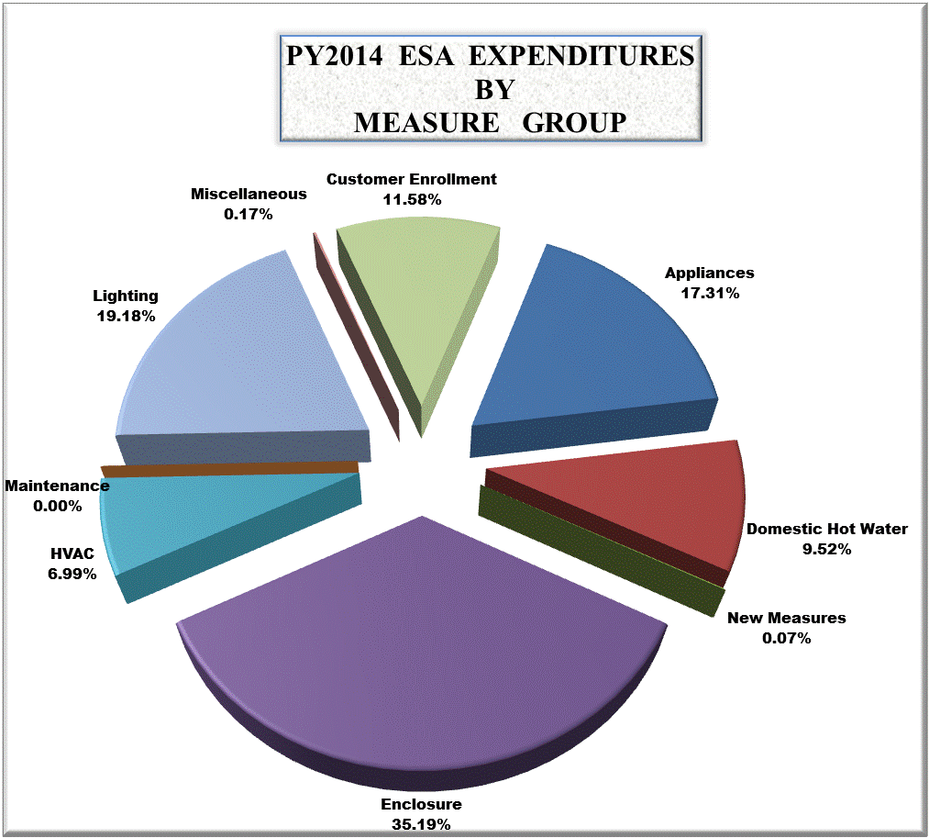

Appliances | 17.31%
Domestic Hot Water | 9.52%
New Measures | 0.07%
Enclosure | 35.19%
HVAC | 6.99%
Maintenance | 0.00%
Lighting | 19.18%
Miscellaneous | 0.17%
Customer Enrollment | 11.58%

ESA-Table 6
PY 2014 Energy Savings Assistance Program Annual Report ESA Table 6 Cost of Program Installation Contractors
 | Unit of Measure | CBO/WMDVBE |  |  |  |  |  | Non-CBO/WMDVBE |  |  |  |  |  | 2014 Program Total
 |  | Installations |  | Dwellings |  | Costs |  | Installations |  | Dwellings |  | Costs |  | Units Installed | Households | Costs1,4 | Cost/ Unit | Cost/ Household
 |  | Units | % | Units | % | $ | % | Units | % | Units | % | $ | %

Appliances
High Efficiency Clothes Washer | Each
Refrigerators | Each | 0 | 0.0% | 0 | 0.0% | 0 | 0.0% | 17,401 | 100.0% | 17,401 | 100.0% | 16,325,166 | 100.0% | 17,401 | 17,401 | 16,325,166 | $938.17 | $938.17
Evaporative Coolers (Replacement) | Each | 3,202 | 59.0% | 3,202 | 59.1% | 2,076,972 | 59.0% | 2,221 | 41.0% | 2,220 | 40.9% | 1,440,648 | 41.0% | 5,423 | 5,422 | 3,517,621 | $648.65 | $648.77
Microwaves | Each | 10,376 | 46.9% | 10,376 | 46.9% | 906,718 | 46.9% | 11,750 | 53.1% | 11,748 | 53.1% | 1,026,786 | 53.1% | 22,126 | 22,124 | 1,933,504 | $87.39 | $87.39
Domestic Hot Water
Water Heater Blanket | Each | 15,112 | 52.5% | 15,016 | 52.5% | 906,160 | 52.5% | 13,666 | 47.5% | 13,575 | 47.5% | 819,454 | 47.5% | 28,778 | 28,591 | 1,725,613 | $59.96 | $60.36
Low Flow Shower Head | Each | 62,953 | 49.4% | 45,424 | 49.6% | 2,608,280 | 49.4% | 64,476 | 50.6% | 46,224 | 50.4% | 2,671,381 | 50.6% | 127,429 | 91,648 | 5,279,661 | $41.43 | $57.61
Water Heater Pipe Insulation | Home | 1,443 | 58.5% | 1,443 | 58.5% | 29,580 | 58.5% | 1,022 | 41.5% | 1,022 | 41.5% | 20,950 | 41.5% | 2,465 | 2,465 | 50,530 | $20.50 | $20.50
Faucet Aerator | Home | 47,602 | 51.6% | 47,602 | 51.6% | 879,085 | 51.6% | 44,697 | 48.4% | 44,697 | 48.4% | 825,437 | 48.4% | 92,299 | 92,299 | 1,704,523 | $18.47 | $18.47
Water Heater Repair/Repl 3 | Each | 52 | 3.8% | 52 | 4.0% | 38,488 | 3.8% | 1,305 | 96.2% | 1,255 | 96.0% | 965,905 | 96.2% | 1,357 | 1,307 | 1,004,393 | $740.16 | $768.47
Thermostatic Shower Valve | Each | 50,395 | 49.5% | 36,352 | 49.4% | 1,095,703 | 49.5% | 51,485 | 50.5% | 37,290 | 50.6% | 1,119,402 | 50.5% | 101,880 | 73,642 | 2,215,105 | $21.74 | $30.08
Enclosure
Air Sealing / Envelope | Home | 43,528 | 50.3% | 43,528 | 50.3% | 18,654,478 | 50.3% | 42,929 | 49.7% | 42,929 | 49.7% | 18,397,769 | 49.7% | 86,457 | 86,457 | 37,052,246 | $428.56 | $428.56
Caulking | Home
Weatherstripping | Home
Utility Gaskets | Home
Attic Access Weatherstripping | Home
Evaporative Cooler Cover | Home
AC Vent Cover | Each
Attic Insulation | Home | 2,255 | 51.1% | 2,255 | 51.1% | 3,683,194 | 51.1% | 2,160 | 48.9% | 2,160 | 48.9% | 3,528,027 | 48.9% | 4,415 | 4,415 | 7,211,221 | $1,633.35 | $1,633.35
HVAC
FAU Standing Pilot Light Conversion | Each
Furnace Repair/Replacement 2 | Each | 137 | 6.2% | 133 | 6.5% | 168,762 | 6.2% | 2,086 | 93.8% | 1,900 | 93.5% | 2,569,616 | 93.8% | 2,223 | 2,033 | 2,738,378 | $1,231.84 | $1,346.96
Room A/C Replacement | Each | 815 | 63.7% | 815 | 63.7% | 737,810 | 63.7% | 465 | 36.3% | 465 | 36.3% | 420,959 | 36.3% | 1,280 | 1,280 | 1,158,769 | $905.29 | $905.29
Central A/C Replacement | Each | 0 | 0.0% | 0 | 0.0% | 0 | 0.0% | 29 | 100.0% | 28 | 100.0% | 54,723 | 100.0% | 29 | 28 | 54,723 | $1,887.00 | $1,954.40
Central A/C Tune-up | Home | 1,695 | 16.1% | 1,659 | 16.2% | 422,726 | 16.1% | 8,802 | 83.9% | 8,566 | 83.8% | 2,195,184 | 83.9% | 10,497 | 10,225 | 2,617,910 | $249.40 | $256.03
Duct Testing and Sealing 5 | Home | 2,190 | 63.3% | 2,190 | 63.3% | 1,407,674 | 63.3% | 1,270 | 36.7% | 1,270 | 36.7% | 816,322 | 36.7% | 3,460 | 3,460 | 2,223,997 | $642.77 | $642.77
Maintenance
Furnace Clean and Tune | Home
Lighting
Compact Fluorescent Lights (CFLs) | Each | 219,624 | 49.5% | 47,400 | 49.1% | 1,777,496 | 49.5% | 223,958 | 50.5% | 49,108 | 50.9% | 1,812,573 | 50.5% | 443,582 | 96,508 | 3,590,069 | $8.09 | $37.20
Interior Hard wired CFL fixtures | Each | 97,445 | 49.6% | 39,400 | 50.0% | 8,103,256 | 49.6% | 99,093 | 50.4% | 39,413 | 50.0% | 8,240,300 | 50.4% | 196,538 | 78,813 | 16,343,556 | $83.16 | $207.37
Exterior Hard wired CFL fixtures | Each | 15,286 | 44.5% | 15,280 | 44.6% | 1,284,235 | 44.5% | 19,044 | 55.5% | 18,970 | 55.4% | 1,599,959 | 55.5% | 34,330 | 34,250 | 2,884,195 | $84.01 | $84.21
Torchiere | Each | 3,185 | 45.0% | 3,185 | 45.0% | 262,082 | 45.0% | 3,894 | 55.0% | 3,894 | 55.0% | 320,423 | 55.0% | 7,079 | 7,079 | 582,505 | $82.29 | $82.29
Occupancy Sensor | Each | 5,541 | 46.5% | 4,173 | 46.9% | 336,457 | 46.5% | 6,375 | 53.5% | 4,733 | 53.1% | 387,099 | 53.5% | 11,916 | 8,906 | 723,557 | $60.72 | $81.24
LED Night Lights | Each
Miscellaneous
Pool Pumps | Each
Smart Power Strips | Each | 2,658 | 54.2% | 2,656 | 54.2% | 113,790.51 | 54.2% | 2,243 | 45.8% | 2,243 | 45.8% | 96,024.12 | 45.8% | 4,901 | 4,899 | 209,815 | $42.81 | $42.83
New Measure
AC FAN DELAY | Each | 2 | 0.2% | 2 | 0.2% | 165 | 0.2% | 1,021 | 99.8% | 999 | 99.8% | 84,204 | 99.8% | 1,023 | 1,001 | 84,368 | $82.47 | $84.28
Customer Enrollment
Outreach & Assessment | Home |  |  |  |  |  |  |  |  |  |  |  |  | 123,539 | 123,539 | 1,335,355 | $10.81 | $10.81
In-Home Education | Home |  |  |  |  |  |  |  |  |  |  |  |  | 123,539 | 123,539 | 13,232,259 | $107.20 | $107.20
Note: Per D.00-07-020, if any utility has a single CBO or private contractor, such that this table would reveal confidential pricing information, the information will be submitted to the Commission, subject to Commission-approved confidentiality agreements.
Note: Per D.00-07-020, if any utility has a single CBO or private contractor, such that this table would reveal confidential pricing information, the information will be submitted to the Commission, subject to Commission-approved confidentiality agreements.
Note: Per D.00-07-020, if any utility has a single CBO or private contractor, such that this table would reveal confidential pricing information, the information will be submitted to the Commission, subject to Commission-approved confidentiality agreements.
Note: Per D.00-07-020, if any utility has a single CBO or private contractor, such that this table would reveal confidential pricing information, the information will be submitted to the Commission, subject to Commission-approved confidentiality agreements.
 | Home
Customer Enrollment
Outreach & Assessment | Home |  |  |  |  |  |  |  |  |  |  |  |  | 123,566 | 123,566 | 1,335,219 | $10.81 | $10.81
In-Home Education | Home |  |  |  |  |  |  |  |  |  |  |  |  | 123,566 | 123,566 | 13,246,228 | $107.20 | $107.20

1 These costs exclude PG&E support costs that are included in Table 1.
2 Furnaces includes costs for service calls.
3 Water Heater Replacement - Gas includes costs of water heater repair.
4 Table 6 is less than Table 5 due to costs in Table 5 such as NGAT test, support allocations, penalties/credits and Training No Shows.
5 Includes the Costs of duct tests but duct tests only are not counted in Units.

